dashboard
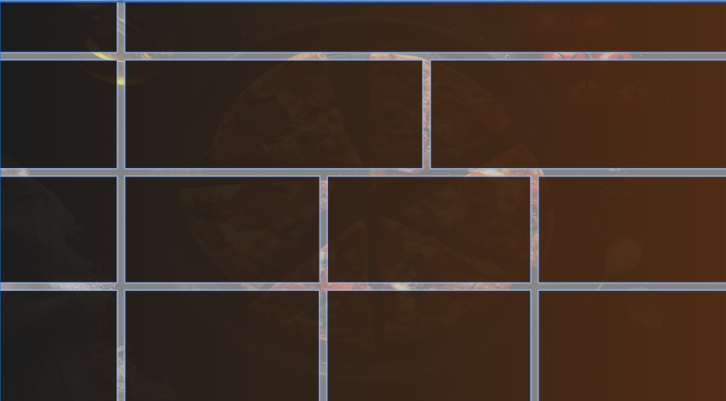
PIZZA
SALES
Total Pizzas Sold
Avg Pizzas Per Order
Total Revenue
Average Order Value
Total Orders

Busiest Days and Times
Daily Trend For Total Orders
Hourly Trend for Total Orders
DAYS
Orders are highest on weekends.
TIMES
There are maximum orders from 12-01pm & after 5-pm.
 | Total
Sunday | 1118
Monday | 1056
Tuesday | 1173
Wednesday | 1227
Thursday | 1341
Friday | 1371
Saturday | 14064
 | Total
9 AM | 1
10 AM | 8
11 AM | 1231
12 PM | 2520
1 PM | 2455
2 PM | 1472
3 PM | 1468
4 PM | 1920
5 PM | 2336
6 PM | 2399
7 PM | 2009
8 PM | 1642
9 PM | 1198
10 PM | 663
11 PM | 28

CATEGORY
Classic Category
contributes to maximum sales & total orders.
SIZE
Large size pizza contributes to maximum sales.

Sales by Category & Size
% of Sales by Pizza Category
% of Sales By Pizza Size
Total Pizza Sold By Pizza Category
 | Total
medium | 30.49%
large | 45.89%
Xlarge | 1.72%
XXlarge | 0.12%
regular | 21.77%
 | Total
Chicken | 23.96%
Classic | 26.91%
Supreme | 25.46%
Veggie | 23.68%

 | Total
The Brie Carre Pizza | 490
The Mediterranean Pizza | 934
The Calabrese Pizza | 937
The Spinach Supreme Pizza | 950
The Soppressata Pizza | 961

Best & Worst Sellers
Top 5 Best Sellers By Total Pizza Sold
Bottom 5 Worst Sellers By Total Pizzas Sold

BEST
Classic Deluxe & Chicken pizzas are the sellers and recenue generators.
WORST
The Brie Carre is at the bottom in both orders and revenue.
 | Total
The Thai Chicken Pizza | 2371
The Pepperoni Pizza | 2418
The Hawaiian Pizza | 2422
The Barbecue Chicken Pizza | 2432
The Classic Deluxe Pizza | 2453

trend for total orders
Daily Time For Total orders
Row Labels | Sum of total_orders
Sunday | 1118
Monday | 1056
Tuesday | 1173
Wednesday | 1227
Thursday | 1341
Friday | 1371
Saturday | 14064
Grand Total | 21350

Hourly Time For Total orders
Row Labels | Sum of total_orders
9 AM | 1
10 AM | 8
11 AM | 1231
12 PM | 2520
1 PM | 2455
2 PM | 1472
3 PM | 1468
4 PM | 1920
5 PM | 2336
6 PM | 2399
7 PM | 2009
8 PM | 1642
9 PM | 1198
10 PM | 663
11 PM | 28
Grand Total | 21350

percentage of sales
Row Labels | Sum of total_price
Chicken | 23.96%
Classic | 26.91%
Supreme | 25.46%
Veggie | 23.68%
Grand Total | 100.00%

Row Labels | Sum of total_price
medium | 30.49%
large | 45.89%
Xlarge | 1.72%
XXlarge | 0.12%
regular | 21.77%
Grand Total | 100.00%

Row Labels | Sum of quantity | pizza_category | total pizza sold
Classic | 14888 | Classic | 14888
Supreme | 11987 | Supreme | 11987
Veggie | 11649 | Veggie | 11649
Chicken | 11050 | Chicken | 11050
Grand Total | 49574

best and worst seller
Row Labels | Sum of quantity
The Thai Chicken Pizza | 2371
The Pepperoni Pizza | 2418
The Hawaiian Pizza | 2422
The Barbecue Chicken Pizza | 2432
The Classic Deluxe Pizza | 2453
Grand Total | 12096

Row Labels | Sum of quantity
The Brie Carre Pizza | 490
The Mediterranean Pizza | 934
The Calabrese Pizza | 937
The Spinach Supreme Pizza | 950
The Soppressata Pizza | 961
Grand Total | 4272

